Sheet1


M/S Waqar Brothers |  |  |  |  | 23-Jan-25
Att: Mr. Salman

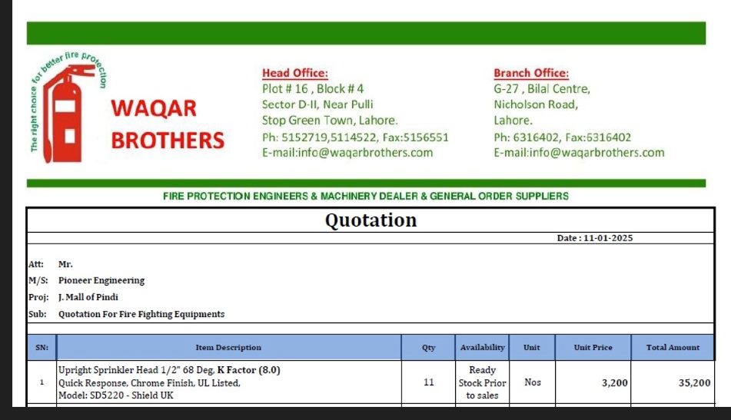
PO # 138
Purchase Order

Supply of Fire Srpinklers - J oulet mall of Pindi
S No. | D e s c r i p t i o n | Qty | Unit | Rate | Amount
1 | Upright sprinkler Head 1/2" 68 Degree K Factor (8.0) Quick response Chrome UL Listed Model: SD5220 Shield UK | 11 | No | 3,000 | 33,000
Total |  |  |  |  | 33,000 | -

for Pioneer Engineering Services

 |  |  |  |  |  | -
 |  |  |  |  |  | -
 |  |  |  |  |  | -
 |  |  |  |  |  | -
M. BILAL HABIB |  |  |  |  |  | -
 |  |  |  |  |  | -
 |  |  |  |  |  | -
 |  |  |  |  |  | -
 |  |  |  |  |  | -
 |  |  |  |  |  | -
 |  |  |  |  |  | -
 |  |  |  |  |  | -
 |  |  |  |  |  | -
 |  |  |  |  |  | -

